Sheet2 (2)
Miles_traveled | Number_of_deliveries
46 | 3
83 | 3 | 4.713784
 |  | 6.975779

Intercept -0.868701
Miles_Traveled 0.061135
Number_of_Deliveries 0.923425

Simple Linear Regression
Miles Traveled Residual Plot
Standardized Residuals vs Miles Traveled
Butler Trucking
Assignment | Miles Traveled | Travel hours
1 | 100 | 9.3
2 | 50 | 4.8
3 | 100 | 8.9
4 | 100 | 6.5
5 | 50 | 4.2
6 | 80 | 6.2
7 | 75 | 7.4
8 | 65 | 6
9 | 90 | 7.6
10 | 90 | 6.1
Multiple R is the sample correlation coefficient: ( Sign of b1) Square root of R square
Where bi = ( ∑ (xi-mean value for independent variable)(yi-mean value for dependent variable)) / ∑ (xi -mean value of independent variable) squared
"Cofficient of determination" R Squared is SSR/SST: 66.4% of the variablility in travel time can be explained by the linear effect of the number of miles traveled. This is ok but we can add a second indepentdent variable to explain the remaining variablity.
SUMMARY OUTPUT

Regression Statistics
Multiple R | 0.8149057072
R Square | 0.66407131162
Adjusted R Square | 0.62208022558
Standard Error | 1.0017918729
With F value of 0.004, the relationship is significant . We reject Ho: B1=0. The same result is given with the t value 3.97 and p value 0.004. We can conclude longer travel times are associated with more miles traveled.
Observations | 10

Miles Traveled Line Fit Plot
ANOVA
 | df | SS | MS | F | Significance F
Regression | 1 | 15.871304348 | 15.871304348 | 15.814578144 | 0.0040801766798
Residual or "Error" | 8 | 8.0286956522 | 1.0035869565
Total | 9 | 23.9 |  |  |  | total

 | Coefficients | Standard Error | t Stat | P-value | Lower 95% | Upper 95% | Lower 99.0% | Upper 99.0%
Intercept | 1.2739130435 | 1.4007445248 | 0.90945423733 | 0.38968736066 | -1.956209623 | 4.50403571 | -3.4261273894 | 5.9739534763
Miles Traveled | 0.067826086957 | 0.017055637485 | 3.9767547251 | 0.0040801766798 | 0.028495716388 | 0.10715645752 | 0.010597817013 | 0.1250543569

RESIDUAL OUTPUT |  |  |  |  | PROBABILITY OUTPUT

Normal Probability Plot
Observation | Predicted Travel hours | Residuals | Standard Residuals |  | Percentile | Travel hours
1 | 8.0565217391 | 1.2434782609 | 1.3165487778 |  | 5 | 4.2
2 | 4.6652173913 | 0.1347826087 | 0.14270283955 |  | 15 | 4.8
3 | 8.0565217391 | 0.84347826087 | 0.89304357652 |  | 25 | 6
4 | 8.0565217391 | -1.5565217391 | -1.6479876309 |  | 35 | 6.1
Residuals Against Predicted Values
5 | 4.6652173913 | -0.4652173913 | -0.49255496231 |  | 45 | 6.2
6 | 6.7 | -0.5 | -0.52938150155 |  | 55 | 6.5
7 | 6.3608695652 | 1.0391304348 | 1.1001928597 |  | 65 | 7.4
8 | 5.6826086957 | 0.31739130435 | 0.33604217055 |  | 75 | 7.6
9 | 7.3782608696 | 0.22173913043 | 0.23476918764 |  | 85 | 8.9
10 | 7.3782608696 | -1.2782608696 | -1.353375317 |  | 95 | 9.3

Order Stat | Normal Score | Ordered Standard Residuals
1 | -1.55 | -1.6479876309 | -2 | -2
2 | -1 | -1.353375317 | 0 | 0
3 | -0.65 | -0.52938150155 | 2 | 2
4 | -0.37 | -0.49255496231
5 | -0.12 | 0.14270283955
6 | 0.12 | 0.23476918764
7 | 0.37 | 0.33604217055
8 | 0.65 | 0.89304357652
9 | 1 | 1.1001928597
10 | 1.55 | 1.3165487778

Multiple Regression
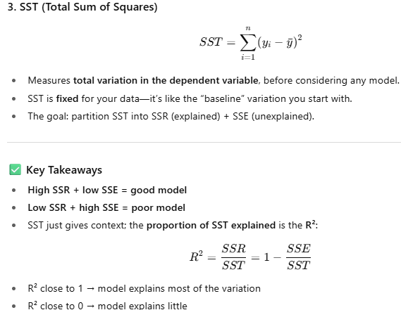
Miles Traveled Residual Plot
Number of Deliveries Line Fit Plot
In forecasting, MSE (mean square error) is the average of the sum of squared forecast errors.
In regression analysis the mean square error (MSE) is the residual sum of squares divided by its degrees of freedom.
Assignment | Miles Traveled | Number of Deliveries | Travel hours
1 | 100 | 4 | 9.3
2 | 50 | 3 | 4.8
3 | 100 | 4 | 8.9
4 | 100 | 2 | 6.5
5 | 50 | 2 | 4.2
6 | 80 | 2 | 6.2
7 | 75 | 3 | 7.4
8 | 65 | 4 | 6
9 | 90 | 3 | 7.6
10 | 90 | 2 | 6.1
Multiple R is the sample correlation coefficient: ( Sign of b1) Square root of R square
Where bi = ( ∑ (xi-mean value for independent variable)(yi-mean value for dependent variable)) / ∑ (xi -mean value of independent variable) squared
"Cofficient of determination" R Squared is SSR/SST: The percentage of variablilty that can be explained by the estimated regression equation is 90.37%. This is more than the simple linear regression which was 66.4%
Standard error is the square root of MSE (Sqrt of (0.328))=0.573
SUMMARY OUTPUT

The F test ("Overall Significance Test") is used to determine whether a significant relationship exists between the dependent variable and the set of all the independent variables.
Ho: B1=B2=...=Bp=0
Ha: One or more of the parameters is not equal to zero.
If Ho is rejected, the test gives us sufficient statistical evidence to conclude that 1 or more of the parameters is not equal to zero and the overall relationship between y and the set of independent variables x1, x2, ... , xp is significant. Reject Ho when p value of F is <= 0.05. In this case reject Ho means it is a good model.
F test statistic is MSR/MSE or in this case 10.8/0.328= 32.87. MSE is an unbiased estimate of the variance of the error term ε. If Ho were true, the F test stat would be close to 1. To determine how large it must be to reject Ho, we assume the model assumptions are valid and therefore MSR/MSE is an F distribution with p d.f in the numerator and n-p-1 d.f. in the denominator. You would see that the critical value is 9.55 so any F test greater than 9.55, reject Ho.
While F test shows an overall significance, the t test is used to determine whether each of the individual independent variables is significant. (Test of individual significance). Ho: B1=0, H0: B2=0. We can reject both with the p values 0.00045 and 0.00416. Since p value <=0.01. Reject Ho for t test when test tatistic > 3.499.
Note that when x1 and x2 are highly correlated (like if x2 was gas gallons used), one of them might fail the t test, but that does not mean it is not related to the depenedent variable y hat, it just means that with the correlated x1, it does not make a significant contribution to determining the value of y. Basically it does not add enough info.
(A sample correlation coefficient greater than +7 or -7 for two independent variables is a rule of thumb warning for potential problems with multicollinearity) =correl in excel for correlation coefficient. It is a similar concept to covariance except ithe formula makes it so that t is between -1 and 1.
We dont do a hypothesis test for the intercept.
Regression Statistics
Multiple R | 0.9506781661
R Square | 0.90378897549
Adjusted R Square | 0.87630011135
Standard Error | 0.57314215212
Observations | 10
Number of Deliveries Residual Plot
Miles Traveled Line Fit Plot
ANOVA
 | df | SS | MS | F | Significance F
Regression | 2 | 21.600556514 | 10.800278257 | 32.878367426 | 0.00027624023671
Residual or "Error" | 7 | 2.2994434858 | 0.32849192654
Total | 9 | 23.9

 | Coefficients | Standard Error | t Stat | P-value | Lower 95% | Upper 95% | Lower 99.0% | Upper 99.0%
Intercept | -0.86870146678 | 0.95154772467 | -0.91293525723 | 0.39163430402 | -3.1187542931 | 1.3813513595 | -4.1986268359 | 2.4612239023
Miles Traveled | 0.061134598792 | 0.0098884945762 | 6.1823969585 | 0.00045296079321 | 0.037752024705 | 0.084517172879 | 0.026529977187 | 0.095739220397
Number of Deliveries | 0.9234253667 | 0.22111346067 | 4.1762512507 | 0.0041566220113 | 0.40057511523 | 1.4462756182 | 0.14964250424 | 1.6972082291

RESIDUAL OUTPUT |  |  |  |  | PROBABILITY OUTPUT
 |  | observed-predicted | residual/stdev of residuals
Observation | Predicted Travel hours | Residuals | Standard Residuals |  | Percentile | Travel hours
1 | 8.9384598792 | 0.36154012079 | 0.71526402685 |  | 5 | 4.2
2 | 4.9583045729 | -0.15830457291 | -0.31318672472 |  | 15 | 4.8
3 | 8.9384598792 | -0.038459879206 | -0.076088285894 |  | 25 | 6
4 | 7.0916091458 | -0.59160914582 | -1.1704281645 |  | 35 | 6.1 |  |  | a
5 | 4.0348792062 | 0.16512079379 | 0.32667180511 |  | 45 | 6.2 |  |  | 0.01
6 | 5.86891717 | 0.33108283003 | 0.65500790813 |  | 55 | 6.5
7 | 6.4866695427 | 0.91333045729 | 1.8069154242 |  | 65 | 7.4 |  |  | F critical
8 | 6.7987489215 | -0.79874892148 | -1.5802295158 |  | 75 | 7.6 |  |  | 9.55
9 | 7.4036885246 | 0.19631147541 | 0.38837885021 |  | 85 | 8.9
10 | 6.4802631579 | -0.38026315789 | -0.75230532363 |  | 95 | 9.3 |  |  | t critical
 |  |  |  |  |  |  |  |  | 3.4994832974
 |  | stdev.s of residuals
 |  | 0.5054638668 | 0.71526402685
Normal Probability Plot
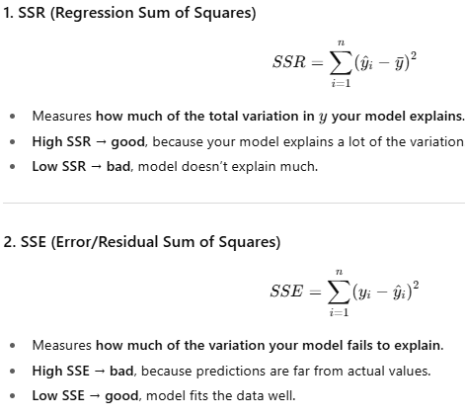

 |  |  |  |  |  |  |  |  | correlation of x1 and x2
 |  |  |  |  |  |  |  |  | 0.16203391141

Manually matrix math (optional)
Assignment | Miles Traveled | Number of Deliveries | Travel hours | A | B (Miles) | C (Deliveries) | D (Hours) or y
1 | 100 | 4 | 9.3 | 1 | 100 | 4 | 9.3
2 | 50 | 3 | 4.8 | 1 | 50 | 3 | 4.8
3 | 100 | 4 | 8.9 | 1 | 100 | 4 | 8.9
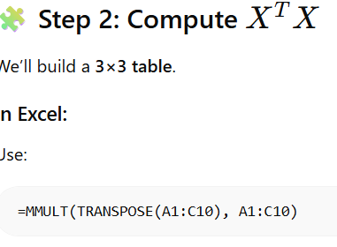
4 | 100 | 2 | 6.5 | 1 | 100 | 2 | 6.5
5 | 50 | 2 | 4.2 | 1 | 50 | 2 | 4.2
6 | 80 | 2 | 6.2 | 1 | 80 | 2 | 6.2
7 | 75 | 3 | 7.4 | 1 | 75 | 3 | 7.4
8 | 65 | 4 | 6 | 1 | 65 | 4 | 6
9 | 90 | 3 | 7.6 | 1 | 90 | 3 | 7.6
10 | 90 | 2 | 6.1 | 1 | 90 | 2 | 6.1

55 | 800 | 29 | 67

=MMULT(TRANSPOSE(F3:H12),F3:H12)

 |  |  |  |  |  |  |  | 10 | 800 | 29
 |  |  |  |  |  |  |  | 800 | 67450 | 2345
 |  |  |  |  |  |  |  | 29 | 2345 | 91
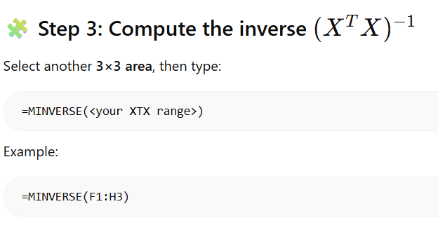
 |  |  |  |  |  |  |  | 2.7563632442 | -0.020685936152 | -0.34534081104
 |  |  |  |  |  |  |  | -0.020685936152 | 0.00029767040552 | -0.001078515962
 |  |  |  |  |  |  |  | -0.34534081104 | -0.001078515962 | 0.14883520276

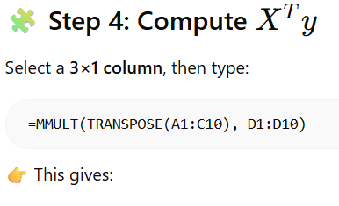
 |  |  |  |  |  |  |  |  | step 4
 |  |  |  |  |  |  |  |  | 67
 |  |  |  |  |  |  |  |  | 5594
 |  |  |  |  |  |  |  |  | 202.2

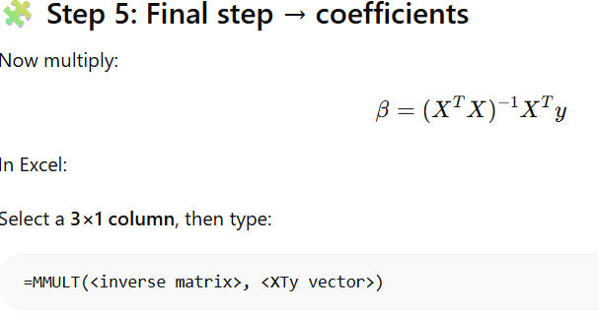
 |  |  |  |  |  |  |  |  |  | step 5
 |  |  |  |  |  |  |  |  | Bo | -0.86870146678
 |  |  |  |  |  |  |  |  | B1 | 0.061134598792
 |  |  |  |  |  |  |  |  | B2 | 0.9234253667

constant is zero
performs better when constant is zero is checked which makes sense since youd expect the travel hours to be zero if miles traveled and number of deliveries is zero.
Number of Deliveries Residual Plot
SUMMARY OUTPUT
Miles Traveled Residual Plot
Regression Statistics
Multiple R | 0.99727502526
R Square | 0.99455747602
Adjusted R Square | 0.86887716052
Standard Error | 0.56714474998
Miles Traveled Line Fit Plot
 | Travel hours | Predicted Travel hours
100 | 9.3 | 8.7198653989
50 | 4.8 | 5.1745197011
100 | 8.9 | 8.7198653989
100 | 6.5 | 7.0906913957
50 | 4.2 | 4.3599326995
80 | 6.2 | 5.9983879172
75 | 7.4 | 6.5398990492
65 | 6 | 6.8083343115
90 | 7.6 | 7.3591266581
90 | 6.1 | 6.5445396565
Observations | 10

ANOVA
 | df | SS | MS | F | Significance F
Regression | 2 | 470.22677466 | 235.11338733 | 730.95312323 | 7.4707442334E-09
Residual | 8 | 2.5732253394 | 0.32165316743
Total | 10 | 472.8

Number of Deliveries Line Fit Plot
 | Travel hours | Predicted Travel hours
4 | 9.3 | 8.7198653989
3 | 4.8 | 5.1745197011
4 | 8.9 | 8.7198653989
2 | 6.5 | 7.0906913957
2 | 4.2 | 4.3599326995
2 | 6.2 | 5.9983879172
3 | 7.4 | 6.5398990492
4 | 6 | 6.8083343115
3 | 7.6 | 7.3591266581
2 | 6.1 | 6.5445396565
 | Coefficients | Standard Error | t Stat | P-value | Lower 95% | Upper 95% | Lower 95.0% | Upper 95.0%
Intercept | 0 | #N/A | #N/A | #N/A | #N/A | #N/A | #N/A | #N/A
Miles Traveled | 0.054615173925 | 0.0067684569588 | 8.0690730926 | 4.1045607E-05 | 0.039007084189 | 0.070223263661 | 0.039007084189 | 0.070223263661
Number of Deliveries | 0.8145870016 | 0.18427225581 | 4.4205623794 | 0.0022248230585 | 0.3896544177 | 1.2395195855 | 0.3896544177 | 1.2395195855

RESIDUAL OUTPUT |  |  |  | PROBABILITY OUTPUT

Observation | Predicted Travel hours | Residuals |  | Percentile | Travel hours
1 | 8.7198653989 | 0.58013460109 |  | 5 | 4.2
2 | 5.1745197011 | -0.37451970106 |  | 15 | 4.8
3 | 8.7198653989 | 0.18013460109 |  | 25 | 6
4 | 7.0906913957 | -0.5906913957 |  | 35 | 6.1
5 | 4.3599326995 | -0.15993269946 |  | 45 | 6.2
6 | 5.9983879172 | 0.2016120828 |  | 55 | 6.5
7 | 6.5398990492 | 0.86010095082 |  | 65 | 7.4
8 | 6.8083343115 | -0.80833431154 |  | 75 | 7.6
9 | 7.3591266581 | 0.24087334194 |  | 85 | 8.9
10 | 6.5445396565 | -0.44453965645 |  | 95 | 9.3

column of ones
ones | Miles Traveled | Number of Deliveries | Travel hours
1 | 100 | 4 | 9.3
1 | 50 | 3 | 4.8
ones Residual Plot
1 | 100 | 4 | 8.9
For this one i had constant is zero marked but also included a column of ones. It parameter for the ones column is the same as the intercept of a multiple regression with constant is zero unchecked:
-0.868701467
1 | 100 | 2 | 6.5
1 | 50 | 2 | 4.2
1 | 80 | 2 | 6.2
1 | 75 | 3 | 7.4
1 | 65 | 4 | 6
1 | 90 | 3 | 7.6
1 | 90 | 2 | 6.1

SUMMARY OUTPUT

Miles Traveled Residual Plot
Number of Deliveries Residual Plot
Regression Statistics
Multiple R | 0.99756530656
R Square | 0.99513654085
Adjusted R Square | 0.85088983824
ones Line Fit Plot
Standard Error | 0.57314215212
Observations | 10
Miles Traveled Line Fit Plot
Number of Deliveries Line Fit Plot
ANOVA
 | df | SS | MS | F | Significance F
Regression | 3 | 470.50055651 | 156.83351884 | 477.43492661 | 1.5855084324E-07
Normal Probability Plot
Residual | 7 | 2.2994434858 | 0.32849192654
Total | 10 | 472.8

 | Coefficients | Standard Error | t Stat | P-value | Lower 95% | Upper 95% | Lower 95.0% | Upper 95.0%
Intercept | 0 | #N/A | #N/A | #N/A | #N/A | #N/A | #N/A | #N/A
ones | -0.86870146678 | 0.95154772467 | -0.91293525723 | 0.39163430402 | -3.1187542931 | 1.3813513595 | -3.1187542931 | 1.3813513595
Miles Traveled | 0.061134598792 | 0.0098884945762 | 6.1823969585 | 0.00045296079321 | 0.037752024705 | 0.084517172879 | 0.037752024705 | 0.084517172879
Number of Deliveries | 0.9234253667 | 0.22111346067 | 4.1762512507 | 0.0041566220113 | 0.40057511523 | 1.4462756182 | 0.40057511523 | 1.4462756182

RESIDUAL OUTPUT |  |  |  | PROBABILITY OUTPUT

Observation | Predicted Travel hours | Residuals |  | Percentile | Travel hours
1 | 8.9384598792 | 0.36154012079 |  | 5 | 4.2
2 | 4.9583045729 | -0.15830457291 |  | 15 | 4.8
3 | 8.9384598792 | -0.038459879206 |  | 25 | 6
4 | 7.0916091458 | -0.59160914582 |  | 35 | 6.1
5 | 4.0348792062 | 0.16512079379 |  | 45 | 6.2
6 | 5.86891717 | 0.33108283003 |  | 55 | 6.5
7 | 6.4866695427 | 0.91333045729 |  | 65 | 7.4
8 | 6.7987489215 | -0.79874892148 |  | 75 | 7.6
9 | 7.4036885246 | 0.19631147541 |  | 85 | 8.9
10 | 6.4802631579 | -0.38026315789 |  | 95 | 9.3

Conf. Interv. 4 mean y for all
Confidence Interval of mean travel time (y) for ALL trucks that:
travel 100 miles and make 2 deliveries.
need to use R studtio or Python to solve for this as excel does not work even with Xrealstats addin.

n | 10

miles: x1 | 100
deliveries: x2 | 2

yhat= | 7.09
-0.86870146678
+
0.061134598792
x1+
0.9234253667
x2

Pred. Inter 4 y for specific
Prediction Interval of travel time (y) for 1 specific trucks that:
travels 100 miles and make 2 deliveries.
need to use R studtio or Python to solve for this as excel does not work even with Xrealstats addin.

n | 10

miles: x1 | 100
deliveries: x2 | 2

yhat= | 7.09
-0.86870146678
+
0.061134598792
x1+
0.9234253667
x2

Manually Calculating MSR, SST..
For Mutliple Regression data
MSR=SSR/p
MSE=SSE/n-p-1
where p is # of predictors
Assignment | Miles Traveled | Number of Deliveries | Travel hours (yi) | Predicted Travel Hours | (yi-y mean)^2 | (predict y - y mean )^2 | (yi-predicted y)^2
1 | 100 | 4 | 9.3 | 8.938 | 6.76 | 5.0107026308 | 0.13071125894
2 | 50 | 3 | 4.8 | 4.958 | 3.61 | 3.0335029608 | 0.025060337803 | Coefficients | MSR
3 | 100 | 4 | 8.9 | 8.938 | 4.84 | 5.0107026308 | 0.0014791623086 | -0.86870146678 | 10.800278257
4 | 100 | 2 | 6.5 | 7.092 | 0.04 | 0.15335772309 | 0.35000138141 | 0.061134598792
5 | 50 | 2 | 4.2 | 4.035 | 6.25 | 7.1028688455 | 0.027264876541 | 0.9234253667 | MSE
6 | 80 | 2 | 6.2 | 5.869 | 0.25 | 0.69069867036 | 0.10961584034 |  | 0.32849192654
7 | 75 | 3 | 7.4 | 6.487 | 0.49 | 0.045509884008 | 0.83417252421
8 | 65 | 4 | 6 | 6.799 | 0.49 | 0.0097513494943 | 0.63799983957 |  | F Test stat
9 | 90 | 3 | 7.6 | 7.404 | 0.81 | 0.49517753964 | 0.038538195378 |  | 32.878367426
10 | 90 | 2 | 6.1 | 6.480 | 0.36 | 0.048284279778 | 0.14460006925

 |  |  | y mean |  | SST | SSR | SSE
 |  |  | 6.7 |  | 23.9 | 21.600556514 | 2.2994434858
Adjusted Multiple Coefficient of determination (R Squared):
1-(1-R^2)( (n-1)/(n-p-1))
Many analyst prefer adjusting R Squared for the number of independent variables to avoid overstimating the impact of adding an independent variable on the amount of variability explained by the estimated regression equation. Because if a variable is added to the model, R Squared becomes larger even if the variable is not statistically significant.

 | Corr of x1 x2 |  |  | R Squared (SSR/SST): | 0.90378897549
 | 0.16203391141

 |  |  |  | Adjused R Squared: | 0.87630011135

A sample correlation coefficient of greater than +0.7 or less than -0.7 for two indepenent variables is a rule of thumb warning of potential problems with multicolinearity.

Leverage and Cooks Distance
 | Miles Traveled | Number of Deliveries | Travel hours |  | Hi Leverage |  |  |  | Invert |  |  | Residual | Cooks Distance Di
1 | 100 | 4 | 9.3 |  | 0.35170405522 | 10 | 800 | 29 | 2.7563632442 | -0.020685936152 | -0.34534081104 | 0.36154012079 | 0.011976976816 | 0.16649035047
1 | 50 | 3 | 4.8 |  | 0.37586281277 | 800 | 67450 | 2345 | -0.020685936152 | 0.00029767040552 | -0.001078515962 | -0.15830457291 | 0.0026476441046
An observation is influential if Di>1
1 | 100 | 4 | 8.9 |  | 0.35170405522 | 29 | 2345 | 91 | -0.34534081104 | -0.001078515962 | 0.14883520276 | -0.038459879206 | 0.00013553455778
1 | 100 | 2 | 6.5 |  | 0.37845125108 |  |  |  |  |  |  | -0.59160914582 | 0.037543326986
1 | 50 | 2 | 4.2 |  | 0.43022001726 |  |  |  |  |  |  | 0.16512079379 | 0.0039562453679
1 | 80 | 2 | 6.2 |  | 0.22055651424 |  |  |  |  |  |  | 0.33108283003 | 0.0043573995976
1 | 75 | 3 | 7.4 |  | 0.11000862813 |  |  |  |  |  |  | 0.91333045729 | 0.012685701343
1 | 65 | 4 | 6 |  | 0.38265746333 |  |  |  |  | p | 2 | -0.79874892148 | 0.070142590142
1 | 90 | 3 | 7.6 |  | 0.12909836066 |  |  |  |  | MSE | 0.32849192654 | 0.19631147541 | 0.00071825280547
1 | 90 | 2 | 6.1 |  | 0.26973684211 |  |  |  |  | sse | 2.2994434858 | -0.38026315789 | 0.0080085415576
 |  |  |  |  |  |  |  |  |  | supposed mse | 0.28743043572
Influential observations are when
hi>3(p+1)/n
where p is # of predictors.
so for 2 predictors, influential observations are when hi>9/n
or 0.9
n | 10 |  |  | Influential when
p | 2 |  |  | hi> | 0.9

15.7 Categorical Independent
Excel File "Ch 15.7 Multiple Regression with Categorical Independent Variables & generating norm dist. correlated random data"
shows how to make the categorical scatter plot (different color dots), shows how to do it with 3 k levels of categories and how to generate normally distributed correlated random data.
Months Since Last Service Residual Plot
Type of Repair Residual Plot
Service Call | Months Since Last Service | Type of Repair | Repair Time (hours) | Service Call | Months Since Last Service | Type of Repair | Repair Time (hours) | SUMMARY OUTPUT
1 | 2 | electrical | 2.9 | 1 | 2 | 1 | 2.9
2 | 6 | mechanical | 3.0 | 2 | 6 | 0 | 3.0 | Regression Statistics
3 | 8 | electrical | 4.8 | 3 | 8 | 1 | 4.8 | Multiple R | 0.92692750376
4 | 3 | mechanical | 1.8 | 4 | 3 | 0 | 1.8 | R Square | 0.85919459723
5 | 2 | electrical | 2.9 | 5 | 2 | 1 | 2.9 | Adjusted R Square | 0.81896448216
6 | 7 | electrical | 4.9 | 6 | 7 | 1 | 4.9 | Standard Error | 0.45904830113
7 | 9 | mechanical | 4.2 | 7 | 9 | 0 | 4.2 | Observations | 10
8 | 8 | mechanical | 4.8 | 8 | 8 | 0 | 4.8
Normal Probability Plot
9 | 4 | electrical | 4.4 | 9 | 4 | 1 | 4.4 | ANOVA
10 | 6 | electrical | 4.5 | 10 | 6 | 1 | 4.5 |  | df | SS | MS | F | Significance F
 |  |  |  |  |  |  |  | Regression | 2 | 9.0009226006 | 4.5004613003 | 21.357000735 | 0.0010475327683
 |  |  |  |  |  |  |  | Residual | 7 | 1.4750773994 | 0.21072534277
 |  |  |  |  |  |  |  | Total | 9 | 10.476

This one has its own excel file that shows a categorical scatter plot
Type of Repair Line Fit Plot
 |  |  |  |  |  |  |  |  | Coefficients | Standard Error | t Stat | P-value | Lower 95% | Upper 95% | Lower 95.0% | Upper 95.0%
 |  |  |  |  |  |  |  | Intercept | 0.93049535604 | 0.46697414033 | 1.9926057477 | 0.086558043114 | -0.17372302106 | 2.0347137331 | -0.17372302106 | 2.0347137331
 |  |  |  |  |  |  |  | Months Since Last Service | 0.38761609907 | 0.062565187221 | 6.1953958149 | 0.00044725526187 | 0.23967294006 | 0.53555925808 | 0.23967294006 | 0.53555925808
 |  |  |  |  |  |  |  | Type of Repair | 1.2626934985 | 0.31412667326 | 4.0196952565 | 0.0050615648971 | 0.51990194879 | 2.0054850481 | 0.51990194879 | 2.0054850481
Months Since Last Service Line Fit Plot

 |  |  |  |  |  |  |  | RESIDUAL OUTPUT |  |  |  |  | PROBABILITY OUTPUT

 |  |  |  |  |  |  |  | Observation | Predicted Repair Time (hours) | Residuals | Standard Residuals |  | Percentile | Repair Time (hours)
 |  |  |  |  |  |  |  | 1 | 2.9684210526 | -0.068421052632 | -0.16900657537 |  | 5 | 1.8
 |  |  |  |  |  |  |  | 2 | 3.2561919505 | -0.25619195046 | -0.63281873808 |  | 15 | 2.9
 |  |  |  |  |  |  |  | 3 | 5.2941176471 | -0.49411764706 | -1.2205180737 |  | 25 | 2.9
 |  |  |  |  |  |  |  | 4 | 2.0933436533 | -0.29334365325 | -0.7245870143 |  | 35 | 3
 |  |  |  |  |  |  |  | 5 | 2.9684210526 | -0.068421052632 | -0.16900657537 |  | 45 | 4.2
 |  |  |  |  |  |  |  | 6 | 4.906501548 | -0.0065015479876 | -0.016059448338 |  | 55 | 4.4
 |  |  |  |  |  |  |  | 7 | 4.4190402477 | -0.21904024768 | -0.54105046187 |  | 65 | 4.5
 |  |  |  |  |  |  |  | 8 | 4.0314241486 | 0.76857585139 | 1.8984562143 |  | 75 | 4.8
 |  |  |  |  |  |  |  | 9 | 3.7436532508 | 0.65634674923 | 1.6212395465 |  | 85 | 4.8
 |  |  |  |  |  |  |  | 10 | 4.5188854489 | -0.018885448916 | -0.046648873744 |  | 95 | 4.9

15.9 has its own excel file
Logistic Multiple Regression has its own excel file. "Ch 15.9 Logistic categorical independent & dependent variable"

Ch 16.2 Plus 1 indep. variable
For the linear model yˆ =1.27 + 0.0678x1 , with only the miles traveled time as x1, the error sum of squares for this model was SSE 8.029.
When x2, the number of deliveries, was added as a second independent variable, we obtained the following estimated regression equation yˆ =869 + 0.0611x1 +0.923x2 The error sum of squares for this model was SSE 2.299. Clearly, adding x2 resulted in a reduction of SSE. The question we want to answer is: Does adding the variable x2 lead to a significant reduction in SSE?
We use the notation SSE(x1) to denote the error sum of squares when x1 is the only independent variable in the model, SSE(x1, x2) to denote the error sum of squares when x1 and x2 are both in the model, and so on. Hence, the reduction in SSE resulting from adding x2 to the model involving just x1 is
SSE(x1) - SSE(x1, x2) = 8.029 - 2.299 = 5.730
An F test is conducted to determine whether this reduction is significant. The numerator is the reduction in SSE divided by the number of independent variables added to the original variable. Here only one variable, x2 has been added so the numberator of the F statistic is:
(SSE(x1) - SSE(x1, x2) ) / 1 = 5.730
and the denominator is the Mean square error of the model that includes all of the independent variables (0.3284)
So F= 5.730 / 0.3284 = 17.448239
Ho: x2 is not statistically significant.
Reject Ho when p value of F is <= 0.05.
With p value 0.004152 we reject Ho, so adding x2 to the model involving onyly x1 results in a significant reduction in the error sum of squares.
That is the square of 4.17625125072583 (the t test value) for the x2 so this is the same result as the t test of the individual parameter x2. However if only one t test shows the parameter is not significant, then you can drop it, if more then one is shown to not be significant, you can only drop one and retest as dropping one might make the other/s significant.

 |  | SSE(x1) | 8.029
 |  | SSE (x1,x2) | 2.299
 |  | number of independent variables added | 1
 |  | denominitator df (n-p-1) | 7
n | 10
 |  | Numerator | 5.73
 |  | Denominator is mse of model with all independent variables | 0.3284

 |  | F test statistic | 17.448233861

 |  | p value | 0.0041521843901

 |  | Critical value: reject Ho when F is > | 5.5914478512

